Interview questions for others
`
 | Topics | Java Script Questions | Answers | Topics | CSS Questions | Answers
 | Others Interview questions |  |  | Others Interview questions
 | 1 | What is DOM manipulation? | DOM manipulation is when you use JavaScript to add, remove, and modify elements of a website. It is very common in web development. | 1 | What is SASS and LESS
 | 2 | Explain Type Error, Syntax Error and Referrence Error | SyntaxError: Raised when a syntax error occurs while parsing JavaScript code. TypeError: Raised when the type of a variable is not as expected. ReferenceError: Raised when an invalid reference is used. | 2 | flex and Flexbox
Real DOM:
1.Changes can be expensive
2.High demand for memory and more wastage
3.Creates a new DOM every time an element gets updated
4.Able to directly manipulate HTML
5.Slow updates
 | 3 | Diff between DOM and VDOM? | Virtual DOM: 1.Changes can be made easily 2.Minimal memory wastage 3.JSX element is updated if the element exists 4.Cannot update HTML directly 5.Faster updates | 3 | What is pseudo classes and elements.
 | 4 | Hoisting in Javascript | Hoisting is JavaScript's default behavior of moving all declarations to the top of the current scope (to the top of the current script or the current function). Variables defined with let and const are hoisted to the top of the block, but not initialized (ReferenceError) | 4
 | 5 | Shallow and deep copy | Shallow copy of an object create a new object and copies all the field of object to the new object (either it is primitive or a reference). In case of non-primitive types only reference will be copied to the new instance. Automatic changes the new object's value if old object change some value. Deep copy of an object create a fully independent copy of an object. In case of deep copy everything will be copied to the new object.No changes occur in new object's value even after changing old objec'st value. | 5
 | 6 | Local server and local storage? |  | 6
 | 7 | Function Closure and call back |  | 7
 | 8 | What is event Bubbling? |  | 8
 | 9 | function currying? |  | 9
 | 10 | Diff between null and undefined data type ?
 | 11 | What is algorithms ? | Set of instructions to solve a problem.
 | 12 | What Big O ?

 | Topics | React Questions | Answers | Topics | Random Questions | Answers
 | Others Interview questions |  |  | Others Interview questions
 | 1 | Pure component ? |  | 1 | What is Front End?
 | 2 | HigherOrder Components ? |  | 2 | What is Back End?
 | 3 | Life cycle methods with full Explanation-Class level |  | 3 | What is an Algorithm?
 | 4 | Life cycle methods with full Explanation-Function level Hooks |  | 4 | What is Data Structure?
 | 5 | Why useEffect is a bad call to calling api's |  | 5 | Diff between Service & Product based
 | 6 | Control and uncontroled components |  | 6
 | 7 | Props Drilling |  | 7
 | 8 | Flow of Redux |  | 8
 | 9 | Diff between state and variable |  | 9
 | 10 | Explain virtual DOM. | Virtual DOM is a simple JavaScript object that is the exact copy of corresponding real DOM. It can be considered as a node tree that consists of elements,their attributes and other properties. Using the render function in react, it creates a node tree and update its based on the changes that occurs in the data model. This changes are usually triggered by users of the actions caused by the system. | 10
 | 11 | Important features of React? | 1. React makes use of a single-direction data flow model. 2. It deals with complete server-side data processing and handling. 3. React uses Virtual DOM that has many advantages of its own.
 | 12 | What is JSX? | JSX is the abbreviation of JavaScript XML. It is a file that is used in React to bring out the essence of JavaScript to React. It even includes bringing out HTML and the easy syntax of JavaScript. This ensures that the resulting HTML file will have high readability, thereby relatively increasing the performance of the application.
 | 13 | Can browsers read a JSX file? | No, browsers cannot read JSX files directly. It can only read the objects provided by JavaScript. Now, to make a browser read a JSX file, it has to be transformed to a JavaScript object using JSX transformers, and only then it can be fed into the browser for further use in the pipeline.
 | 14 | Disadvantages of React | Writing code is complicated as it uses JSX and inline template formatting. Beginners might find it tough to cope with its syntaxes and methods. The library contains a huge repository of information, which might be overwhelming. React is a simple library and not a complete framework hence calls for dependencies.
 | 15 | Diff between state and props | 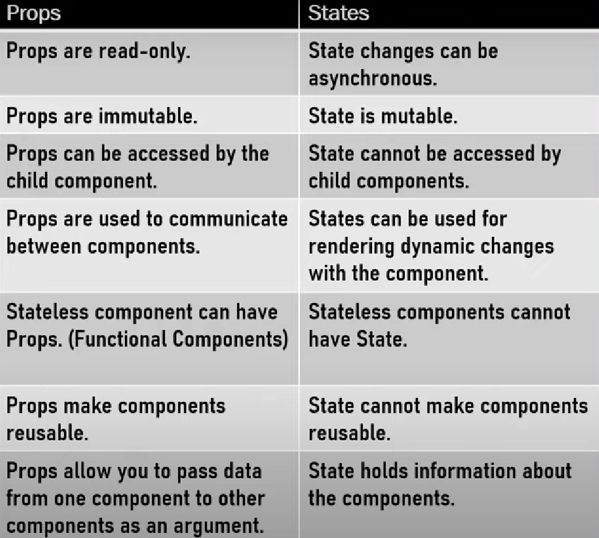
 | 16 | What is react-dom? Either react or react-dom which is used for modify data?
 | 17 | Difference between shadow-DOM and V-DOM ?
 | 18 | Diff between lazy import and dynamic import?
 | 19

 | Topics | HTML Questions | Answers | Topics | Back end Questions | Answers
 | Others Interview questions |  |  | Others Interview questions
 | 1 | Diff between Semantic & Non-Semantic elements |  |  | What is cors module in nodejs?
 | 2
 | 3
 | 4
 | 5
 | 6
 | 7
 | 8
 | 9
 | 10

Operators
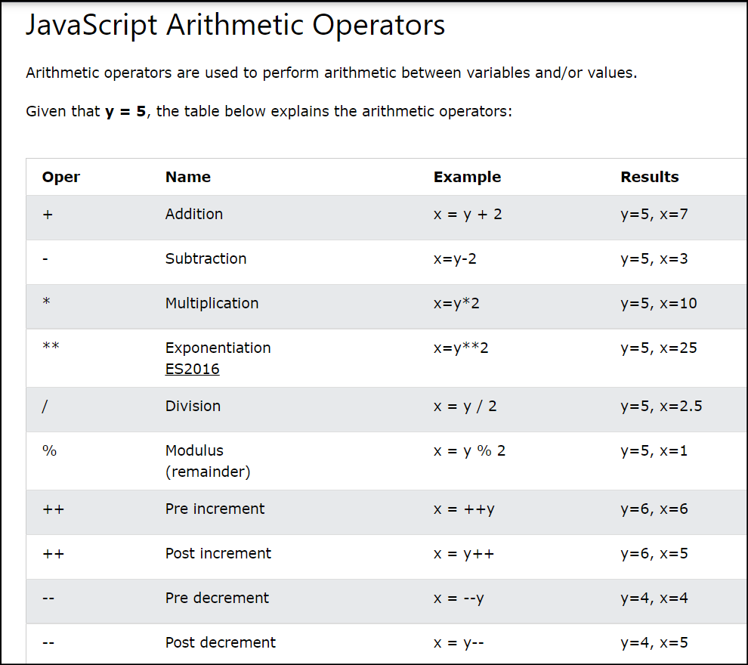
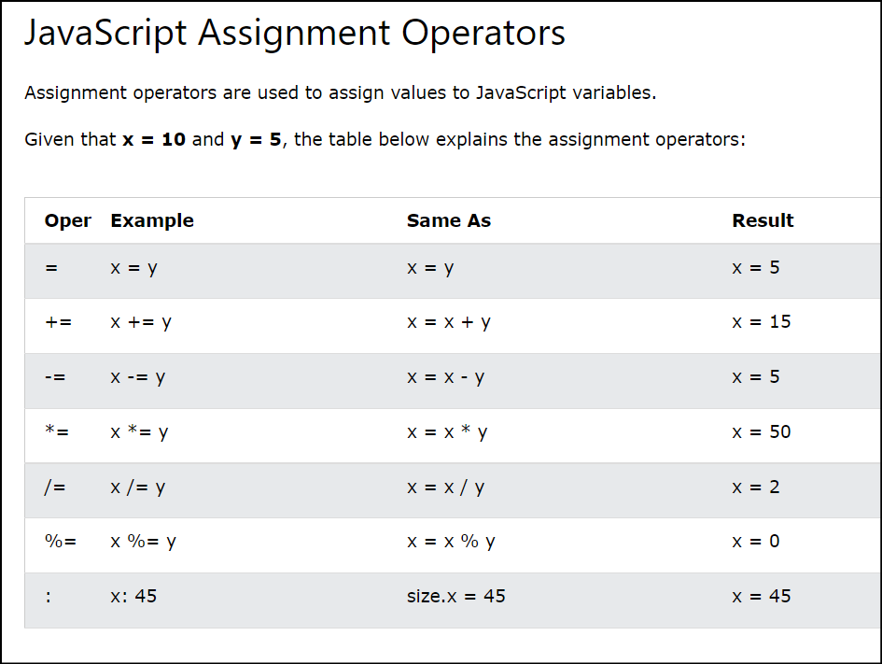
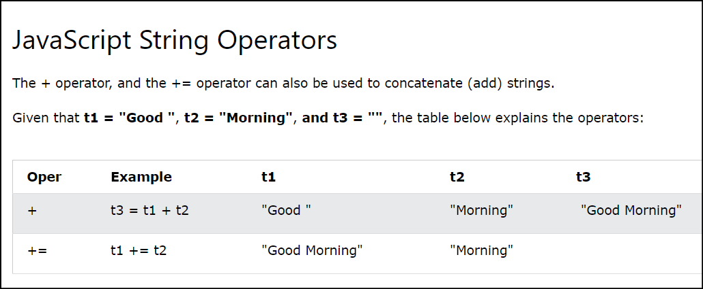
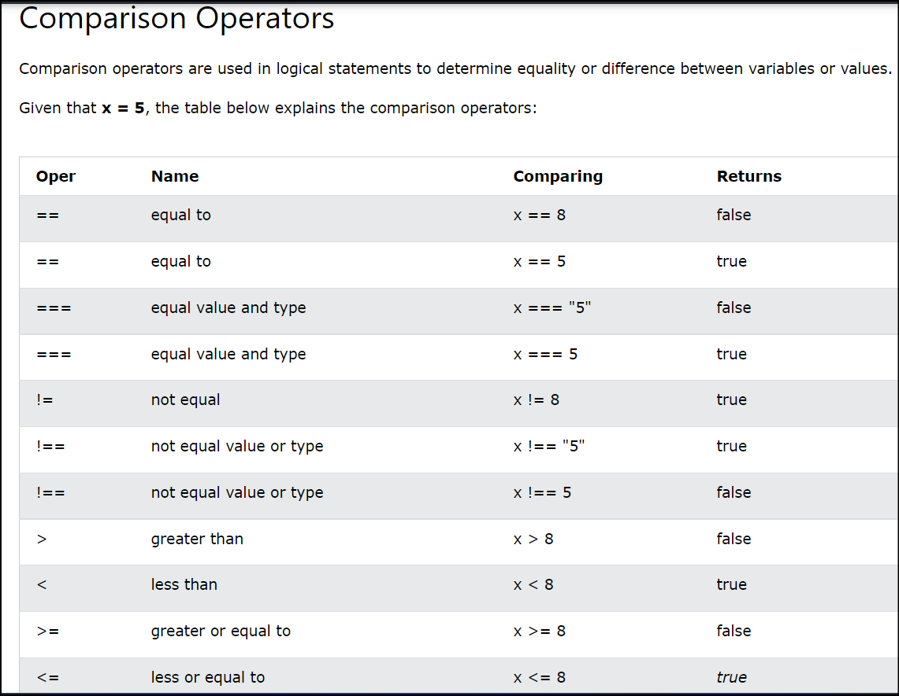
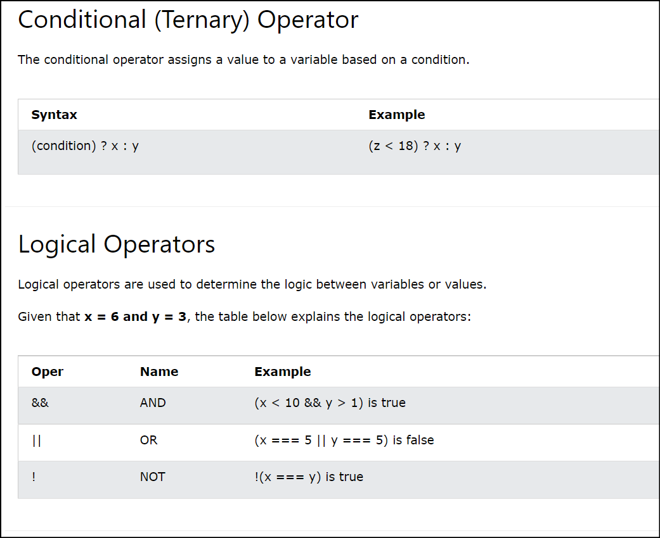
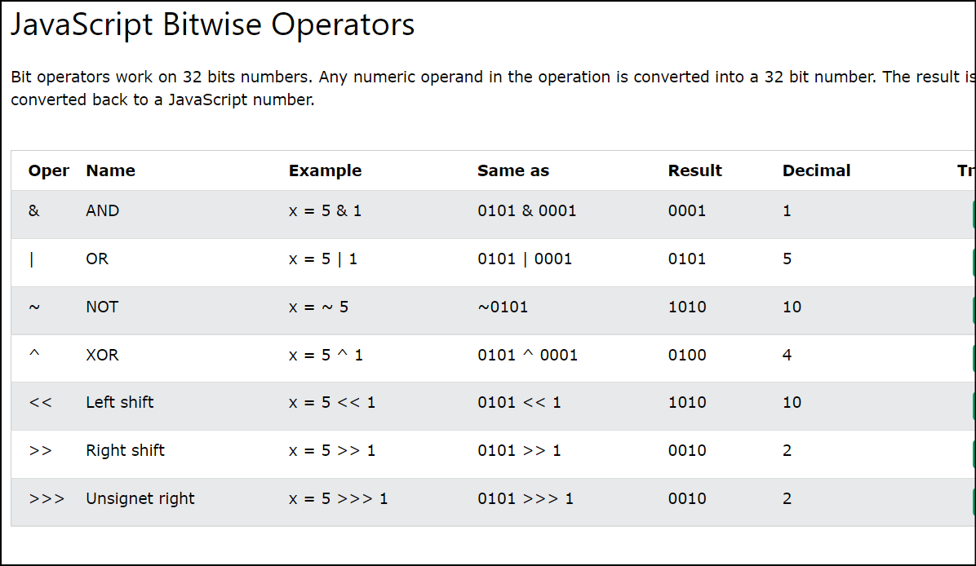
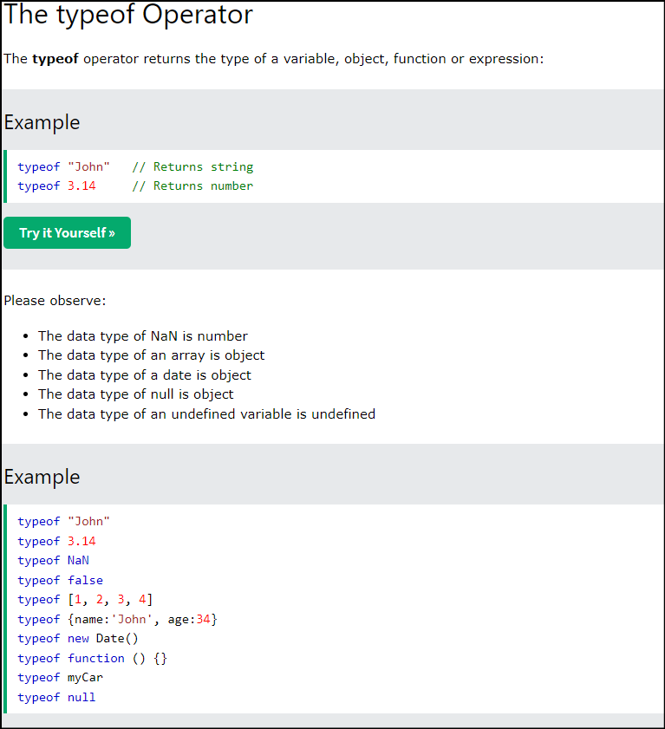
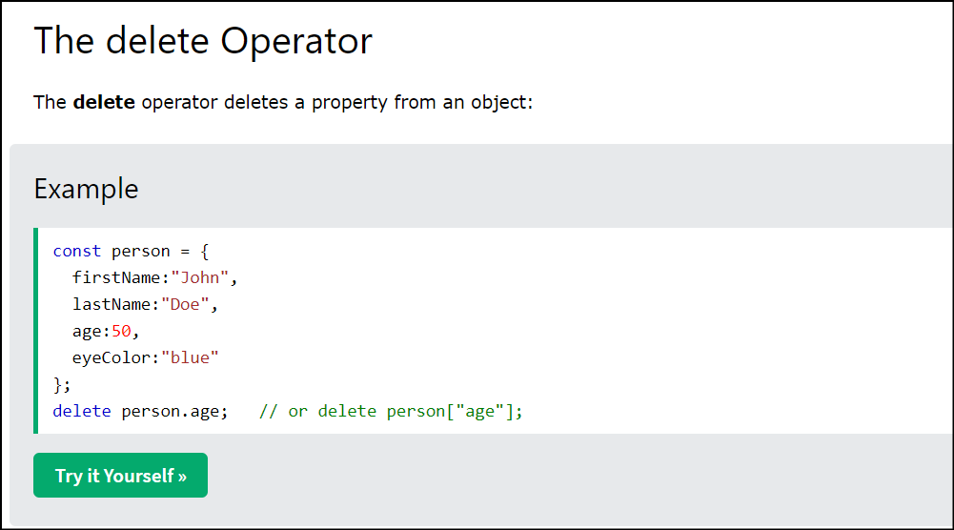
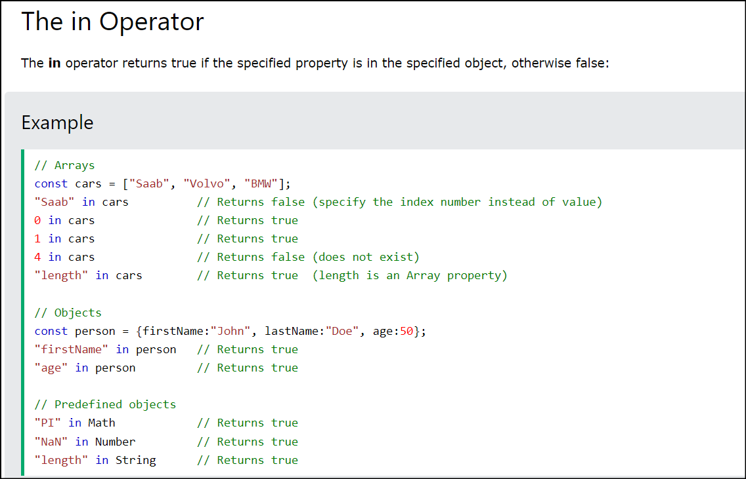
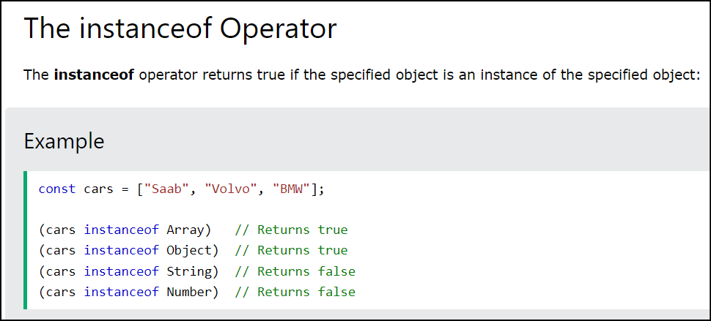
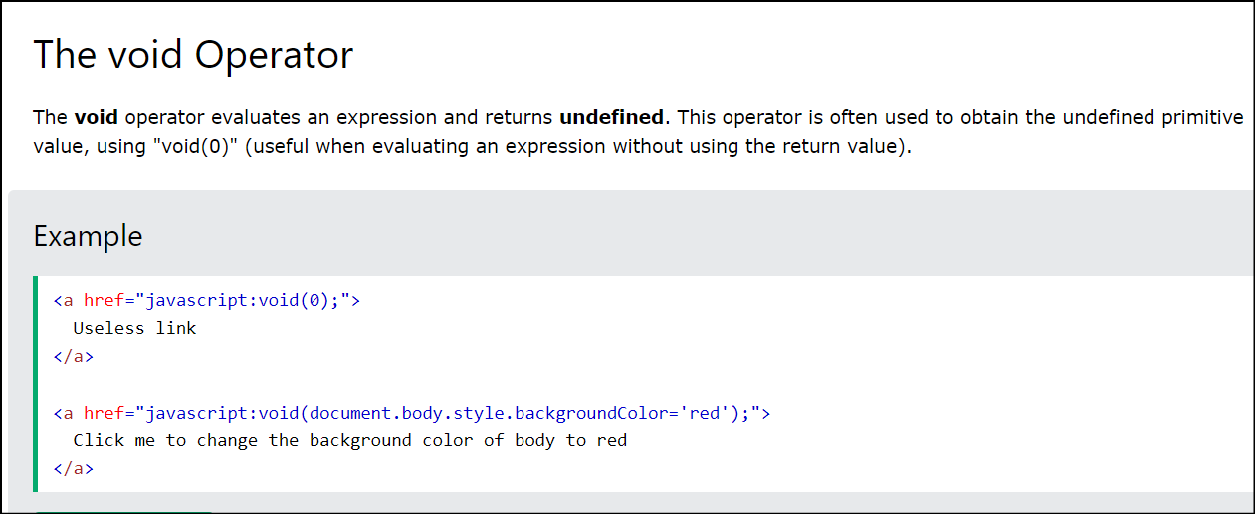
Back to main FILE

 | Online Link | https://www.w3schools.com/jsref/jsref_operators.asp | https://www.w3schools.com/jsref/jsref_precedence.asp

JS Error Types
Back To Home

 | JAVASCRIPT ERROR-TYPES
 | SyntaxError Example
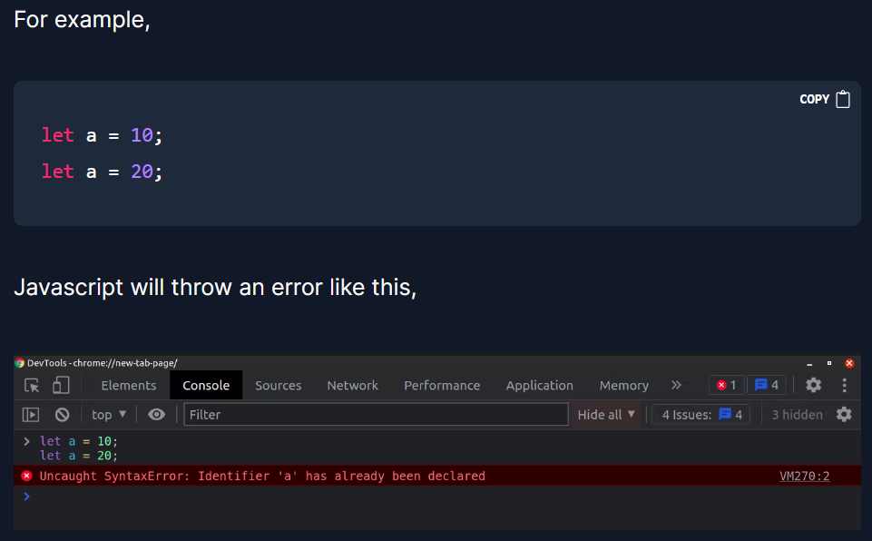

 | ReferenceError Example
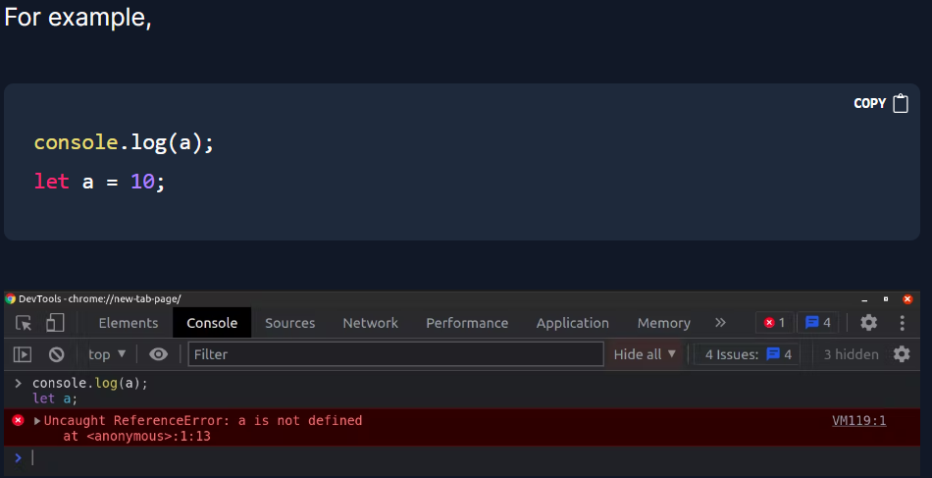

 | TypeError Example
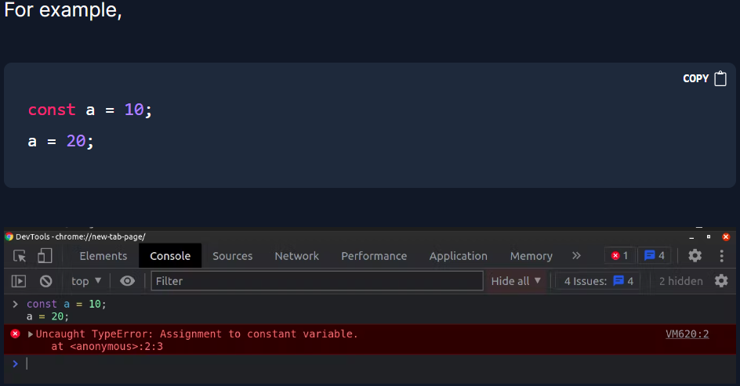

 | Explaination

